Client DT Survey
 | Client Desktop - Survey

Section | Survey Questions | Example Responses | Customer Responses Here | Intel Picture Reference (Example Only)
Heat Sink (HS) Mounting & Design | Do you find value in removing heatsink holes on PCB and directly attaching the heatsink to the loading mechanism? (e.g. to the loading mechanism fasteners) How important is this (rate from 1(not important) to 5(Very important) ? | Eg: yes or no, 3 | Yes，3. （Maybe strain gauge impact due to heavy heatsink）
 | Do you find value in a backplate that extends to heatsink holes, to enable one combined backplate that is shared for both the socket loading mechanism and the heatsink anchors? How important is this (rate from 1(not important) to 5(Very important) ? | Eg: yes or no, 3 | Yes，4.
 | If known, can you share load provided by heatsinks on the systems you design? (Min & max) | Eg: min and max | 45±5 lbf
 | Do you have experience with Heatsinks that include a pedestal in the cold plate that sits on top of IHS? | Eg: yes or no | No.
 | If yes to the above question, what challenges have you encountered or foresee with pedestal designs? | Eg: screw sequence of heatsink
 | Could you share the mechanical validation processes of heatsinks installed in your platform? | Eg: thermal analysis, structural analysis, durability, shock, vibration, etc. | thermal analysis,structural analysis,durability, shoke,vibration
Height & Physical Constraints | Could your systems accommodate a thicker back-plate (>2.2mm) to improve socket loading the deflection? | Eg: yes or no | No.
 | If yes to the above question, can you provide value of available clearance on the bottom of the PCB (Available space to grow back-plate thickness)? | Eg: 0.3mm
 | Can you share the PCB thickness used along with LGA products on your systems? | Eg: 1.57mm | 1.6mm / 1.2mm
 | If possible, share any issues you can identify regarding the interaction between loading mechanism and other board components | Eg:
Thermal Interface Materials (TIM) | What are the current TIM pastes you use? | Eg: Brand Name and Model # | TC 5622 or equivelent
 | Do you use Liquid Metal TIM on any of your designs? | Eg: yes or no | No.
 | If yes to the above question, what specific Liquid Metal TIM do you use? | Eg: Brand Name and Model #
 | Would you find use in a Loading Mechanism solution to enable de-lidded packages? | Eg: yes or no | No.
ILM (Independent Loading Mechanism) Requirements | Is Lever actuated ILM (tool-less) necessary for your high-performance applications and designs? | Eg: yes or no | Yes
 | Is an ILM solution requiring a tool for package installation be acceptable? | Eg: yes or no | No.
 | Is your organization currently modifying/customizing the ILM certified by Intel in any way to address system needs? | Eg: yes or no | Yes.
 | If yes to the above question, please share how you're modifying/ customizing Intel's certified ILM design. | Eg:
Open Feedback Areas | Please provide general feedback on the design of the Intel ILM | Eg: | Better tolerance control to avoid interference between Part A/B/C/D (We found that the tolerance definitions for A/B/C/D in the illustration were incomplete on other platforms, which led to interference and breakage issues. We hope to define appropriate tolerances to avoid interference.) | 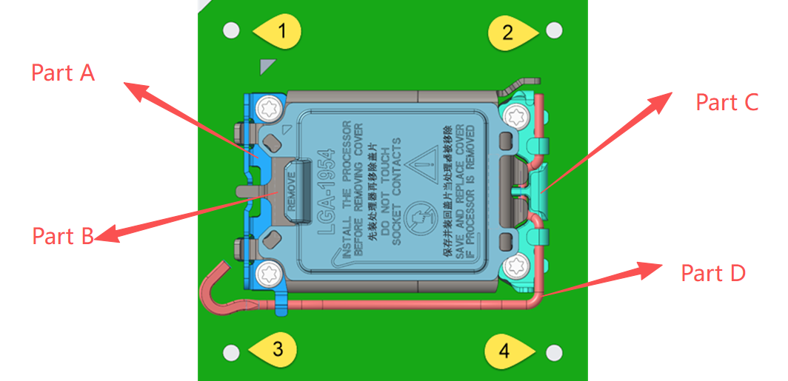
 | Please provide general feedback on HVM (High Volume Manufacturing) assembly of the Intel ILM | Eg: | Need to qualify Socket vendor A w/ backplane&ILM B for mass production.(The socket and the ILM/backplane are used at different stations. We hope that the socket from vendor A can be compatible with the ILM/backplane from vendor B.)

